Application Screen
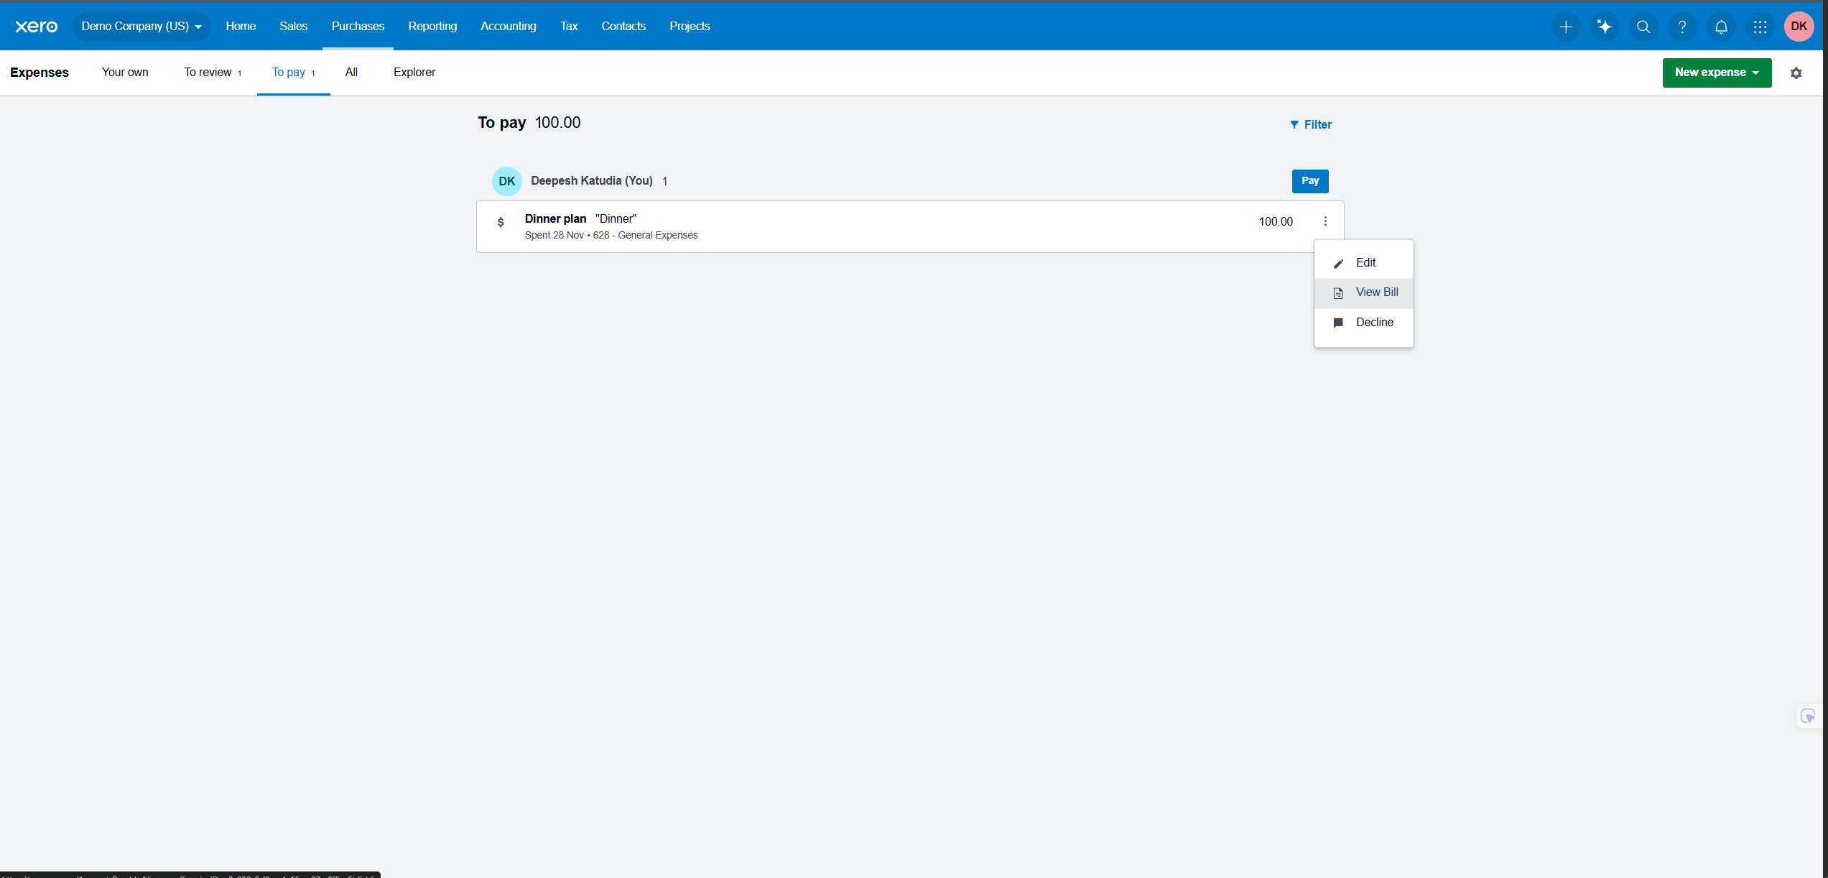
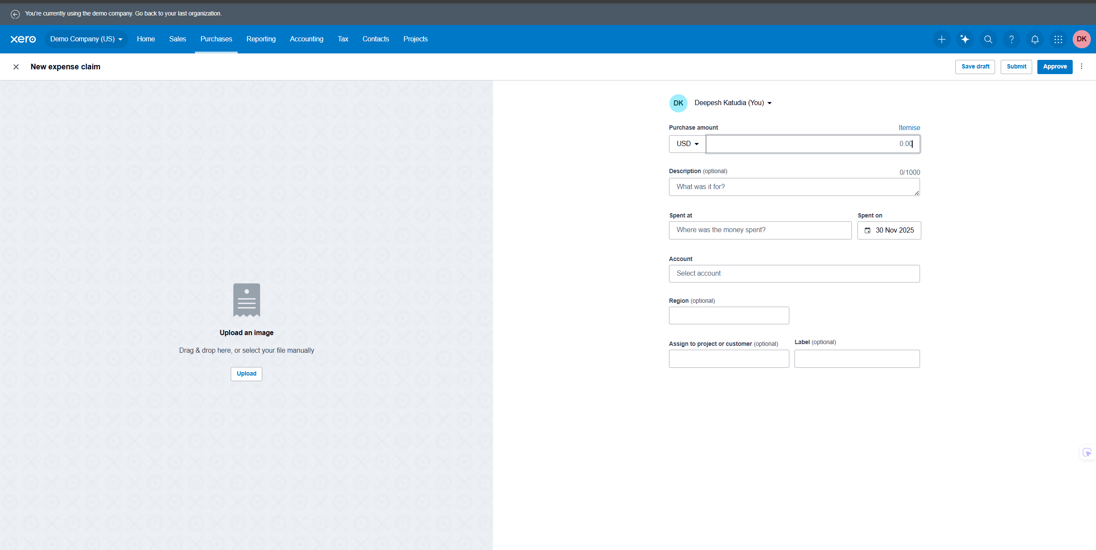

Test Case 8
TC Title: | TC8. Approve expense claim – data flow-in testing (employee list, audit history)

TC Objective: | The objective of this test case is to verify that, after an expense claim is approved, all related data flows correctly into every downstream view and component that consumes approval information. This includes the submitter’s expense list, the approver’s history, accounting or AP queues, and the audit trail, ensuring that status, amounts, approver identity, comments, and timestamps are consistent and accurate everywhere. |  |  | Data flow rules for Approved Expense Claim

 |  |  |  | Rule | Source event | Destination | Expected data
 |  |  |  | R1 | Claim approved | Employee expense list | Status updated to Approved with correct total and date
Test Data (optional): | Deepesh: Employee (submitter) (user A) Ayush: Expense Approver (user B) Claim X: Submitted by Deepesh Assigned to Ayush Description: Data flow in test Amount: 120.00 Status: Submitted |  |  | R2 | Claim approved | Approver history / recent approvals | Claim appears with approver identity and status Approved
 |  |  |  | R3 | Claim approved | Accounting or AP processing view | Claim routed and visible for payment with correct amount and tax
 |  |  |  | R4 | Claim approved | Audit or history log | Entry recorded with approver, action, comment, and timestamp

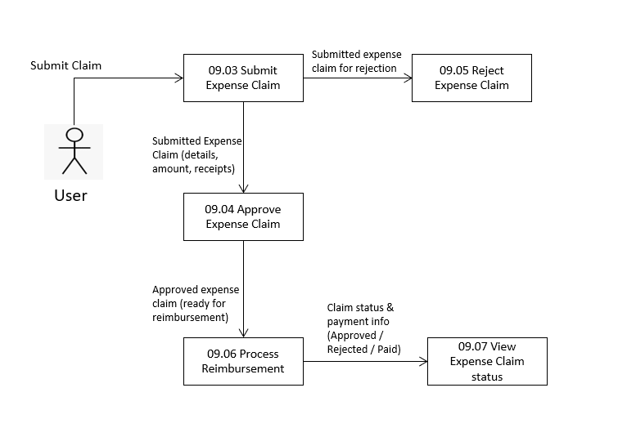
TC Description
 | Step | Step Description | Expected Results
 | 1 | Log in as User B (Expense Approver) and open Demo Company (US). | Approver dashboard is displayed.
 | 2 | Navigate to Expenses → To review / Submitted and locate Claim X (Data flow in test). | Claim X is visible with Status Submitted and correct Amount.
 | 3 | Open Claim X, review details, and click Approve. Confirm the action if prompted. | Claim is approved successfully and status on the details screen changes to Approved.
 | 4 | Log out and log in as User A (submitter). Open Demo Company (US). | Employee dashboard is displayed.
 | 5 | Navigate to User A’s Expense Claims / Your own list and locate Claim X. | R1: Claim X appears with Status Approved, correct Amount, and correct Date.
 | 6 | Log out and log back in as User B. Navigate to the approver’s recent approvals or history view, if available. | R2: Claim X appears in the list of approved claims with Status Approved and shows User B as the approver.
 | 7 | Navigate to the accounting or AP processing area where approved claims are queued for payment (for example, Bills to pay or equivalent). | R3: Claim X is present in the payment or processing queue with correct Amount, tax, and employee information.
 | 8 | Open the Audit / History for Claim X, if available. | R4: Audit log shows an entry for the approval event including approver identity (User B), action (Approved), optional comment, and accurate timestamp.
 | 9 | Cross check claim totals between all locations (employee list, approver history, AP queue, audit). | Amount, tax, and status are consistent across all views; no discrepancies are found.

